1. Data
 | 시험 목적: Tacrolimus 1M (#96)와 RLD (Advagraf)의 PK를 비교하고, #92 batch의 투여량에 따른 변화를 관찰하기 위함

Report (result)
Pharmacokinetic parameters
 |  | G1 |  | G2 |  | G3 |  | G4 |  | G5 |  | G6
 |  | AdvagrafⓇ, 1 mg(1 capsule)/head |  | AdvagrafⓇ, 3 mg(2 capsule)/head |  | DFK-MB101, 3.5 mg/head |  | DFK-MB101, 7 mg/head |  | DFK-MB101, 14 mg/head |  | DFK-MB101, 28 mg/head
 |  | PO | n=4 | PO | n=4 | PO | n=3 | PO | n=3 | PO | n=3 | PO | n=3
Parameters | Unit | Mean | SD | Mean | SD | Mean | SD | Mean | SD | Mean | SD | Mean | SD
tmax | hr | 73.38 | 27.86 | 97.13 | 67.41 | 560.00 | 96.99 | 504.00 | 0.00 | 672.00 | 0.00 | 504.00 | 0.00
Cmax | ng/mL | 3.96 | 1.75 | 21.05 | 5.90 | 1.10 | 0.69 | 3.16 | 0.61 | 7.26 | 0.31 | 27.23 | 10.84
AUClast | ng*hr/mL | 92.54 | 21.85 | 436.40 | 134.61 | 482.04 | 276.01 | 1557.48 | 87.90 | 3746.08 | 444.99 | 12896.74 | 2884.34
AUCinf | ng*hr/mL | 99.90 | 24.02 | 471.87 | 151.48 | 551.86 | N/A | 1532.13 | 0.78 | 3877.72 | 453.16 | 12906.92 | 2882.98
t1/2 | hr | 11.14 | 3.25 | 15.00 | 2.07 | 66.83 | N/A | 53.60 | 8.06 | 74.37 | 10.45 | 48.92 | 5.01
Pharmacokinetic parameters were obtained by non-compartmental analysis using WinNonlin software.

Pharmacokinetic profiles
 |  | Note: Linear Scale |  |  |  | Note: Semi-log Scale
Tacrolimus in Blood
 | G1 |  | G2 |  | G3 |  | G4 |  | G5 |  | G6
0 | 0.00 | 0 | 0.00 | 0 | 0.00 | 0 | 0.00 | 0 | 0.00 | 0 | 0.00
0.5 | 0.67 | 0.5 | 9.30 | 0.25 | 0.19 | 0.25 | 0.17 | 0.25 | 0.14 | 0.25 | 0.51
1 | 1.44 | 1 | 10.59 | 0.5 | 0.31 | 0.5 | 0.42 | 0.5 | 0.37 | 0.5 | 1.31
1.5 | 2.15 | 1.5 | 10.10 | 1 | 0.28 | 1 | 0.65 | 1 | 0.72 | 1 | 2.46
2 | 1.99 | 2 | 8.82 | 3 | 0.52 | 3 | 1.35 | 3 | 1.23 | 3 | 4.43
3 | 1.17 | 3 | 6.49 | 6 | 0.82 | 6 | 2.05 | 6 | 2.52 | 6 | 6.58
6 | 0.75 | 6 | 3.94 | 12 | 0.76 | 12 | 1.66 | 12 | 2.65 | 12 | 6.87
8 | 0.57 | 8 | 2.53 | 24 | 0.72 | 24 | 1.79 | 24 | 2.68 | 24 | 7.64
12 | 0.42 | 12 | 1.88 | 72 | 0.58 | 72 | 1.70 | 72 | 2.64 | 72 | 8.85
24 | 0.21 | 24 | 0.87 | 168 | 0.39 | 168 | 1.86 | 168 | 2.40 | 168 | 11.88
48 | 0.28 | 48 | 1.11 | 336 | 0.62 | 336 | 2.20 | 336 | 3.28 | 336 | 15.27
48.5 | 1.27 | 48.5 | 11.98 | 504 | 1.07 | 504 | 3.16 | 504 | 6.10 | 504 | 27.23
49 | 2.42 | 49 | 12.38 | 672 | 0.99 | 672 | 1.54 | 672 | 7.26 | 672 | 18.07
49.5 | 1.94 | 49.5 | 10.85 | 840 | 0.08 | 840 | 0.33 | 840 | 2.43 | 840 | 1.01
50 | 1.49 | 50 | 10.53 | 1008 | 0.00 | 1008 | 0.00 | 1008 | 0.24 | 1008 | 0.14
51 | 1.04 | 51 | 5.52
54 | 0.88 | 54 | 4.17
56 | 0.63 | 56 | 2.92
60 | 0.44 | 60 | 2.22
72 | 0.26 | 72 | 1.25
96 | 0.30 | 96 | 1.46
96.5 | 1.54 | 96.5 | 8.80
97 | 2.42 | 97 | 10.96
97.5 | 2.45 | 97.5 | 11.66
98 | 1.96 | 98 | 11.96
99 | 1.20 | 99 | 7.08
102 | 0.99 | 102 | 4.70
104 | 0.74 | 104 | 3.18
108 | 0.56 | 108 | 2.58
120 | 0.34 | 120 | 1.51
144 | 0.34 | 144 | 1.59
144.5 | 1.26 | 144.5 | 16.96
145 | 2.07 | 145 | 16.63
145.5 | 2.38 | 145.5 | 10.67
146 | 2.25 | 146 | 7.21
147 | 1.77 | 147 | 5.81
150 | 1.73 | 150 | 5.13
152 | 1.16 | 152 | 3.70
156 | 0.77 | 156 | 3.21
168 | 0.47 | 168 | 1.71
Tacrolimus in Blood
 | G1 |  | G2 |  | G3 |  | G4 |  | G5 |  | G6
0 | 0.00 | 0 | 0.00 | 0 | 0.00 | 0 | 0.00 | 0 | 0.00 | 0 | 0.00
0.5 | 0.67 | 0.5 | 9.30 | 0.25 | 0.19 | 0.25 | 0.17 | 0.25 | 0.14 | 0.25 | 0.51
1 | 1.44 | 1 | 10.59 | 0.5 | 0.31 | 0.5 | 0.42 | 0.5 | 0.37 | 0.5 | 1.31
1.5 | 2.15 | 1.5 | 10.10 | 1 | 0.28 | 1 | 0.65 | 1 | 0.72 | 1 | 2.46
2 | 1.99 | 2 | 8.82 | 3 | 0.52 | 3 | 1.35 | 3 | 1.23 | 3 | 4.43
3 | 1.17 | 3 | 6.49 | 6 | 0.82 | 6 | 2.05 | 6 | 2.52 | 6 | 6.58
6 | 0.75 | 6 | 3.94 | 12 | 0.76 | 12 | 1.66 | 12 | 2.65 | 12 | 6.87
8 | 0.57 | 8 | 2.53 | 24 | 0.72 | 24 | 1.79 | 24 | 2.68 | 24 | 7.64
12 | 0.42 | 12 | 1.88 | 72 | 0.58 | 72 | 1.70 | 72 | 2.64 | 72 | 8.85
24 | 0.21 | 24 | 0.87 | 168 | 0.39 | 168 | 1.86 | 168 | 2.40 | 168 | 11.88
48 | 0.28 | 48 | 1.11 | 336 | 0.62 | 336 | 2.20 | 336 | 3.28 | 336 | 15.27
48.5 | 1.27 | 48.5 | 11.98 | 504 | 1.07 | 504 | 3.16 | 504 | 6.10 | 504 | 27.23
49 | 2.42 | 49 | 12.38 | 672 | 0.99 | 672 | 1.54 | 672 | 7.26 | 672 | 18.07
49.5 | 1.94 | 49.5 | 10.85 | 840 | 0.08 | 840 | 0.33 | 840 | 2.43 | 840 | 1.01
50 | 1.49 | 50 | 10.53 | 1008 | 0.00 | 1008 | 0.00 | 1008 | 0.24 | 1008 | 0.14
51 | 1.04 | 51 | 5.52
54 | 0.88 | 54 | 4.17
56 | 0.63 | 56 | 2.92
60 | 0.44 | 60 | 2.22
72 | 0.26 | 72 | 1.25
96 | 0.30 | 96 | 1.46
96.5 | 1.54 | 96.5 | 8.80
97 | 2.42 | 97 | 10.96
97.5 | 2.45 | 97.5 | 11.66
98 | 1.96 | 98 | 11.96
99 | 1.20 | 99 | 7.08
102 | 0.99 | 102 | 4.70
104 | 0.74 | 104 | 3.18
108 | 0.56 | 108 | 2.58
120 | 0.34 | 120 | 1.51
144 | 0.34 | 144 | 1.59
144.5 | 1.26 | 144.5 | 16.96
145 | 2.07 | 145 | 16.63
145.5 | 2.38 | 145.5 | 10.67
146 | 2.25 | 146 | 7.21
147 | 1.77 | 147 | 5.81
150 | 1.73 | 150 | 5.13
152 | 1.16 | 152 | 3.70
156 | 0.77 | 156 | 3.21
168 | 0.47 | 168 | 1.71

 |  | Note: Linear Scale |  |  |  | Note: Linear Scale
Tacrolimus in Blood
 | G1 | G2
0 | 0.00 | 0.00
0.5 | 0.67 | 9.30
1 | 1.44 | 10.59
1.5 | 2.15 | 10.10
2 | 1.99 | 8.82
3 | 1.17 | 6.49
6 | 0.75 | 3.94
8 | 0.57 | 2.53
12 | 0.42 | 1.88
24 | 0.21 | 0.87
48 | 0.28 | 1.11
48.5 | 1.27 | 11.98
49 | 2.42 | 12.38
49.5 | 1.94 | 10.85
50 | 1.49 | 10.53
51 | 1.04 | 5.52
54 | 0.88 | 4.17
56 | 0.63 | 2.92
60 | 0.44 | 2.22
72 | 0.26 | 1.25
96 | 0.30 | 1.46
96.5 | 1.54 | 8.80
97 | 2.42 | 10.96
97.5 | 2.45 | 11.66
98 | 1.96 | 11.96
99 | 1.20 | 7.08
102 | 0.99 | 4.70
104 | 0.74 | 3.18
108 | 0.56 | 2.58
120 | 0.34 | 1.51
144 | 0.34 | 1.59
144.5 | 1.26 | 16.96
145 | 2.07 | 16.63
145.5 | 2.38 | 10.67
146 | 2.25 | 7.21
147 | 1.77 | 5.81
150 | 1.73 | 5.13
152 | 1.16 | 3.70
156 | 0.77 | 3.21
168 | 0.47 | 1.71
Tacrolimus in Blood
 | G3 | G4 | G5 | G6
0 | 0.00 | 0.00 | 0.00 | 0.00
0.25 | 0.19 | 0.17 | 0.14 | 0.51
0.5 | 0.31 | 0.42 | 0.37 | 1.31
1 | 0.28 | 0.65 | 0.72 | 2.46
3 | 0.52 | 1.35 | 1.23 | 4.43
6 | 0.82 | 2.05 | 2.52 | 6.58
12 | 0.76 | 1.66 | 2.65 | 6.87
24 | 0.72 | 1.79 | 2.68 | 7.64
72 | 0.58 | 1.70 | 2.64 | 8.85
168 | 0.39 | 1.86 | 2.40 | 11.88
336 | 0.62 | 2.20 | 3.28 | 15.27
504 | 1.07 | 3.16 | 6.10 | 27.23
672 | 0.99 | 1.54 | 7.26 | 18.07
840 | 0.08 | 0.33 | 2.43 | 1.01
1008 | 0.00 | 0.00 | 0.24 | 0.14

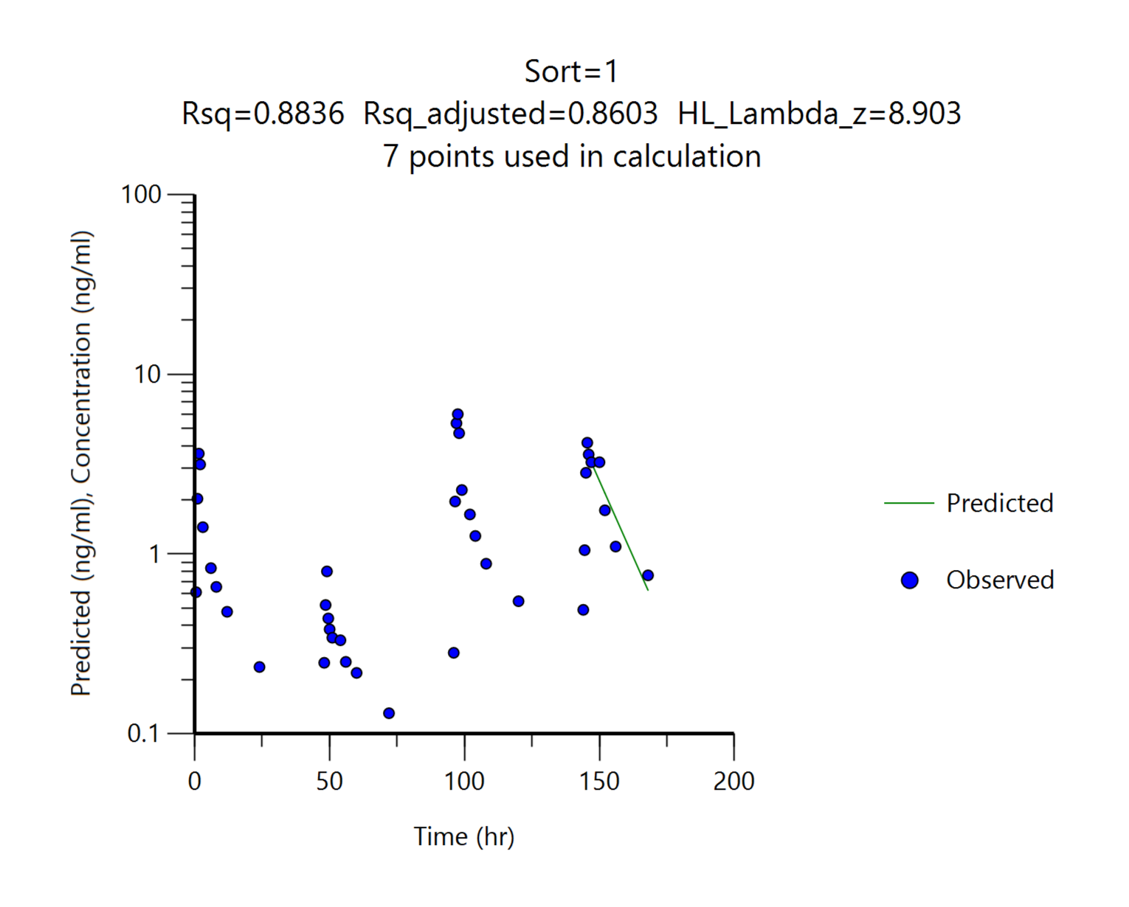
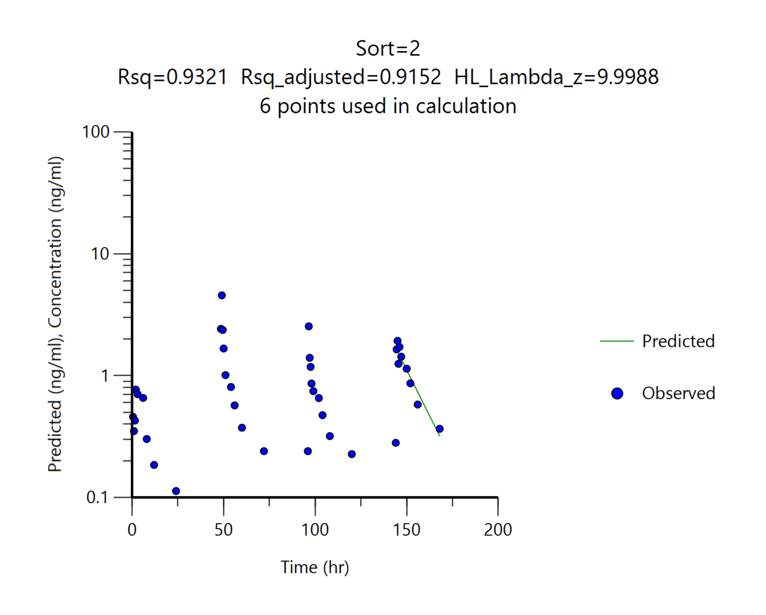
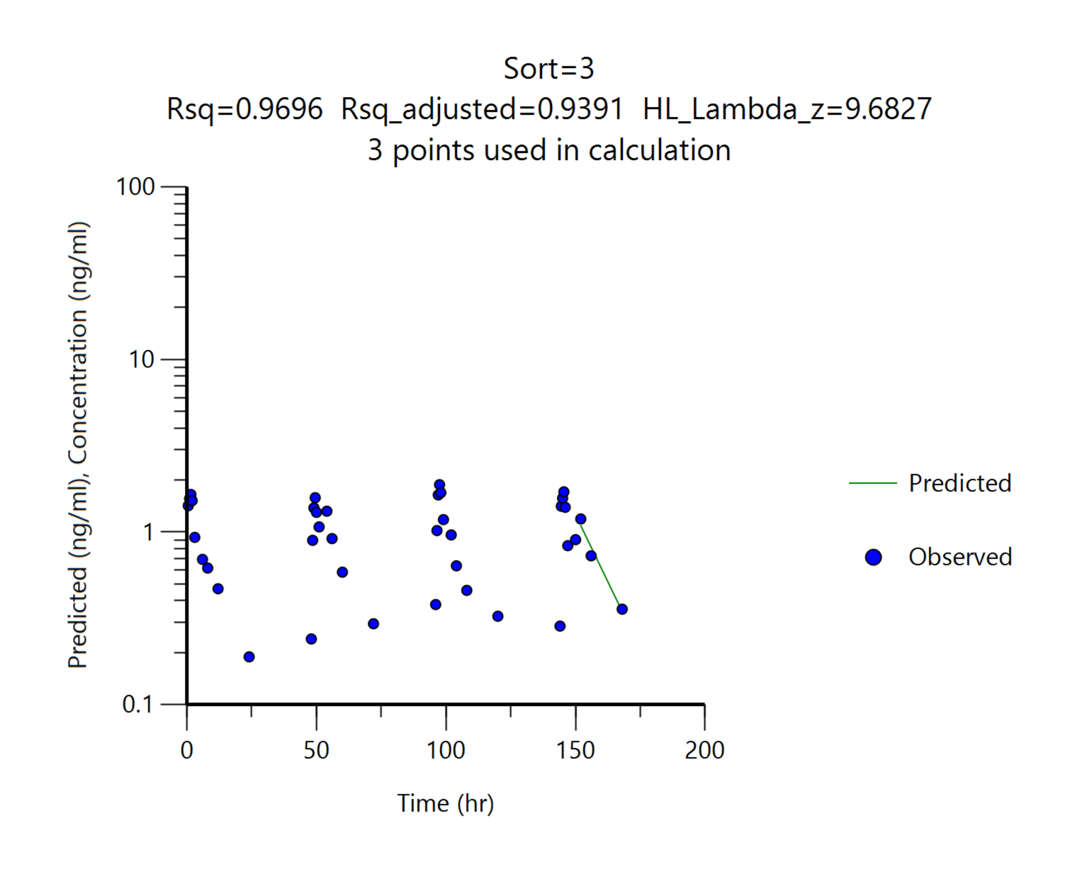
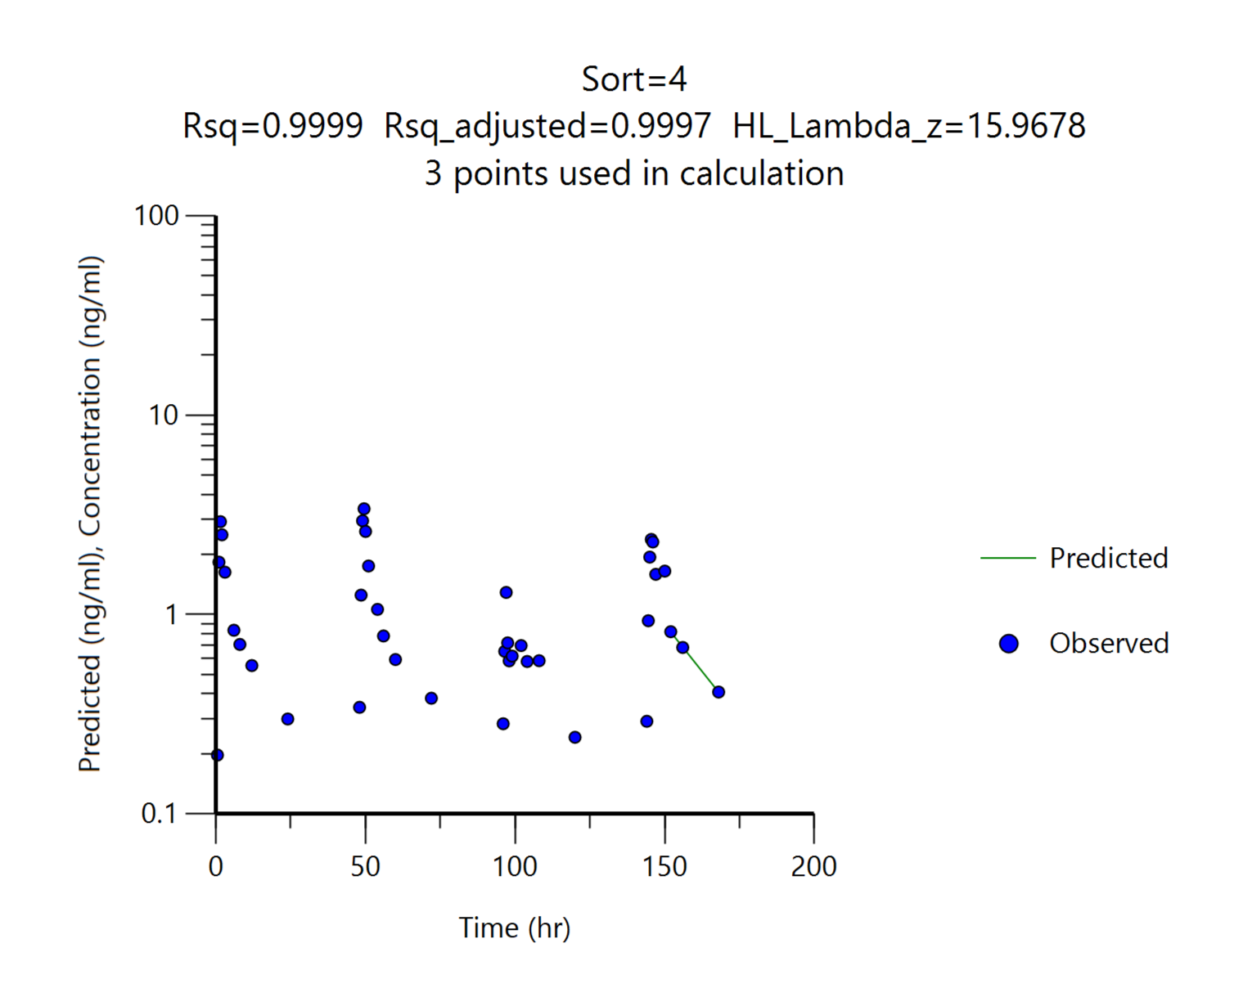
 |  | G1
 |  | AdvagrafⓇ, 1 mg(1 capsule)/head
Parameters | Unit | #1 | #2 | #3 | #4 | Mean | SD
tmax | hr | 97.50 | 49.00 | 97.50 | 49.50 | 73.38 | 27.86
Cmax | ng/mL | 6.00 | 4.56 | 1.88 | 3.39 | 3.96 | 1.75
AUClast | ng*hr/mL | 119.85 | 67.26 | 86.79 | 96.26 | 92.54 | 21.85
AUCinf | ng*hr/mL | 129.62 | 72.54 | 91.78 | 105.66 | 99.90 | 24.02
t1/2 | hr | 8.90 | 10.00 | 9.68 | 15.97 | 11.14 | 3.25
Cmax/Dose | (ng/mL)/(mg/kg) | 6.00 | 4.56 | 1.88 | 3.39 | 3.96 | 1.75
AUClast/Dose | (ng*hr/mL)/(mg/kg) | 119.85 | 67.26 | 86.79 | 96.26 | 92.54 | 21.85

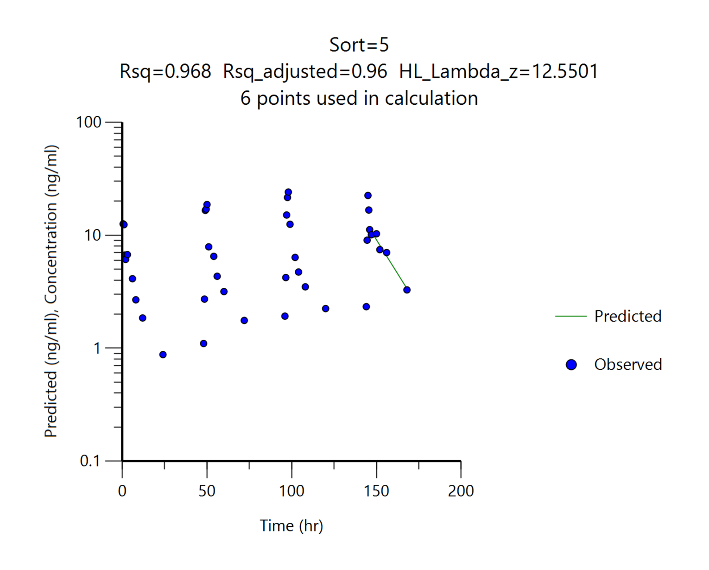
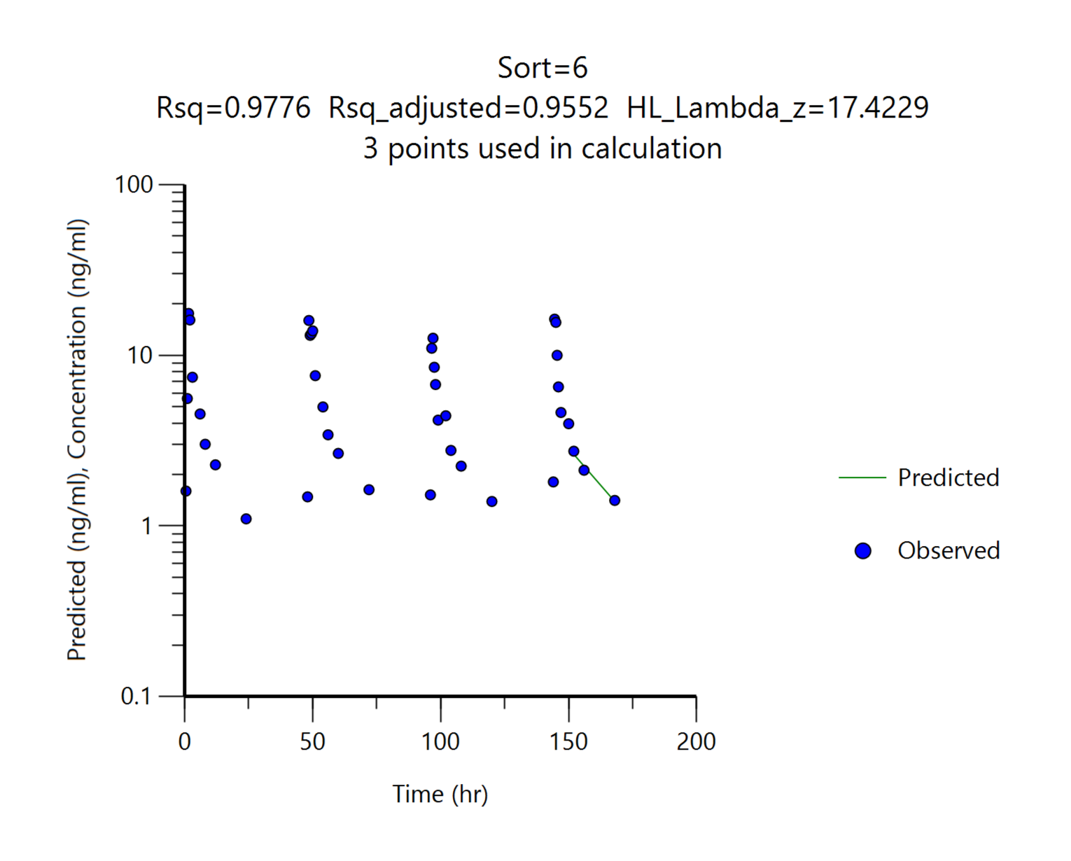
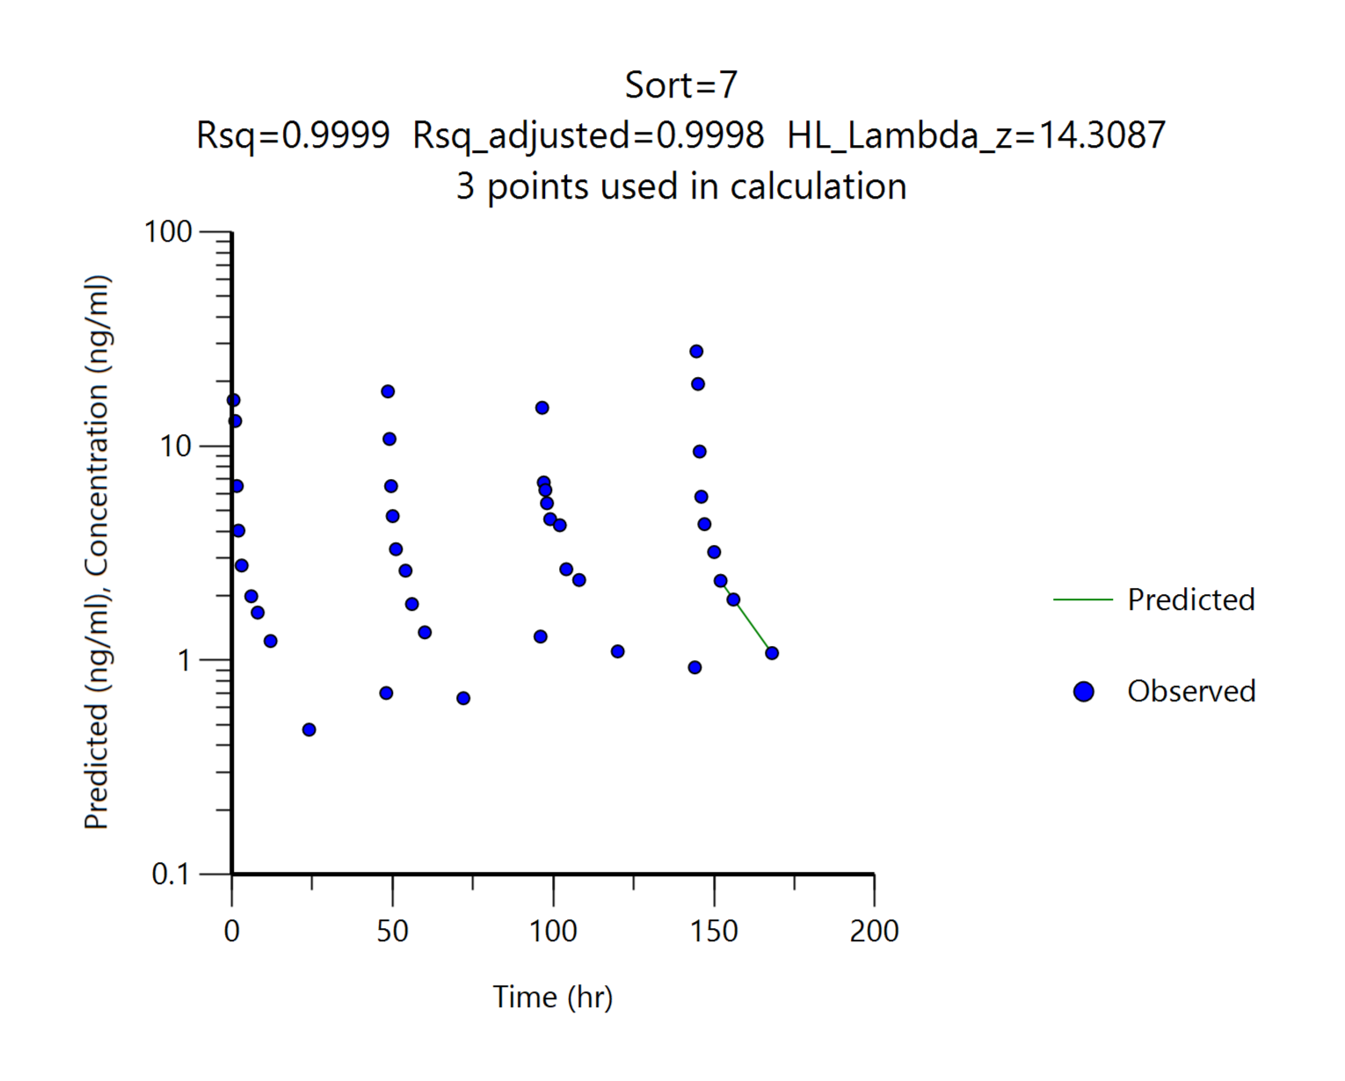
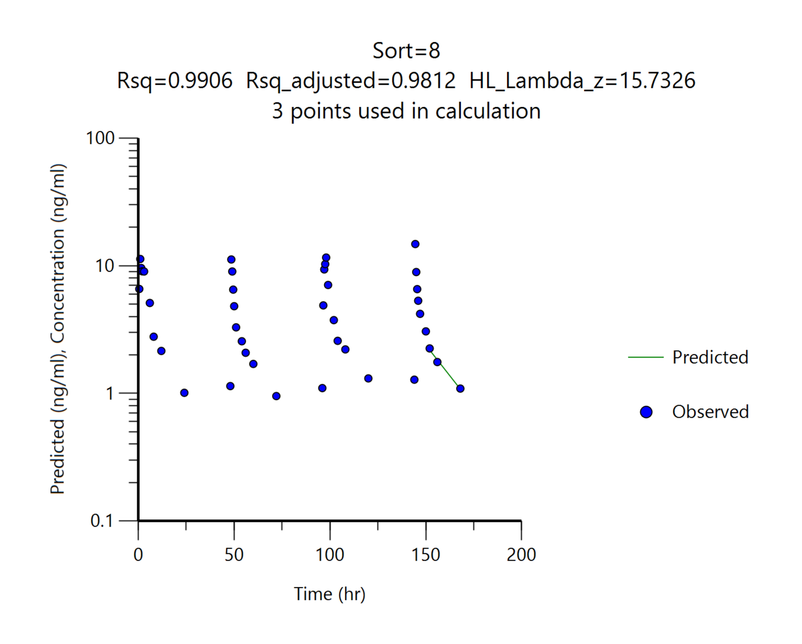
 |  | G2
 |  | AdvagrafⓇ, 3 mg(2 capsule)/head
Parameters | Unit | #5 | #6 | #7 | #8 | Mean | SD
tmax | hr | 98.00 | 1.50 | 144.50 | 144.50 | 97.13 | 67.41
Cmax | ng/mL | 24.10 | 17.60 | 27.70 | 14.80 | 21.05 | 5.90
AUClast | ng*hr/mL | 621.08 | 447.27 | 316.11 | 361.16 | 436.40 | 134.61
AUCinf | ng*hr/mL | 680.47 | 482.71 | 338.40 | 385.90 | 471.87 | 151.48
t1/2 | hr | 12.55 | 17.42 | 14.31 | 15.73 | 15.00 | 2.07
Cmax/Dose | (ng/mL)/(mg/kg) | 8.03 | 5.87 | 9.23 | 4.93 | 7.02 | 1.97
AUClast/Dose | (ng*hr/mL)/(mg/kg) | 207.03 | 149.09 | 105.37 | 120.39 | 145.47 | 44.87

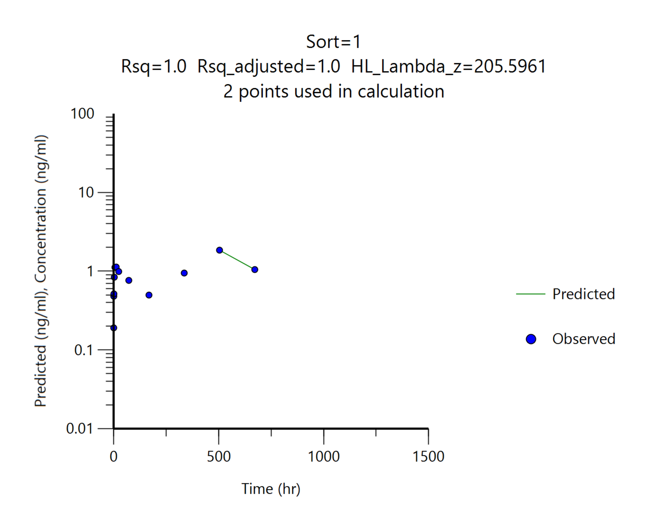
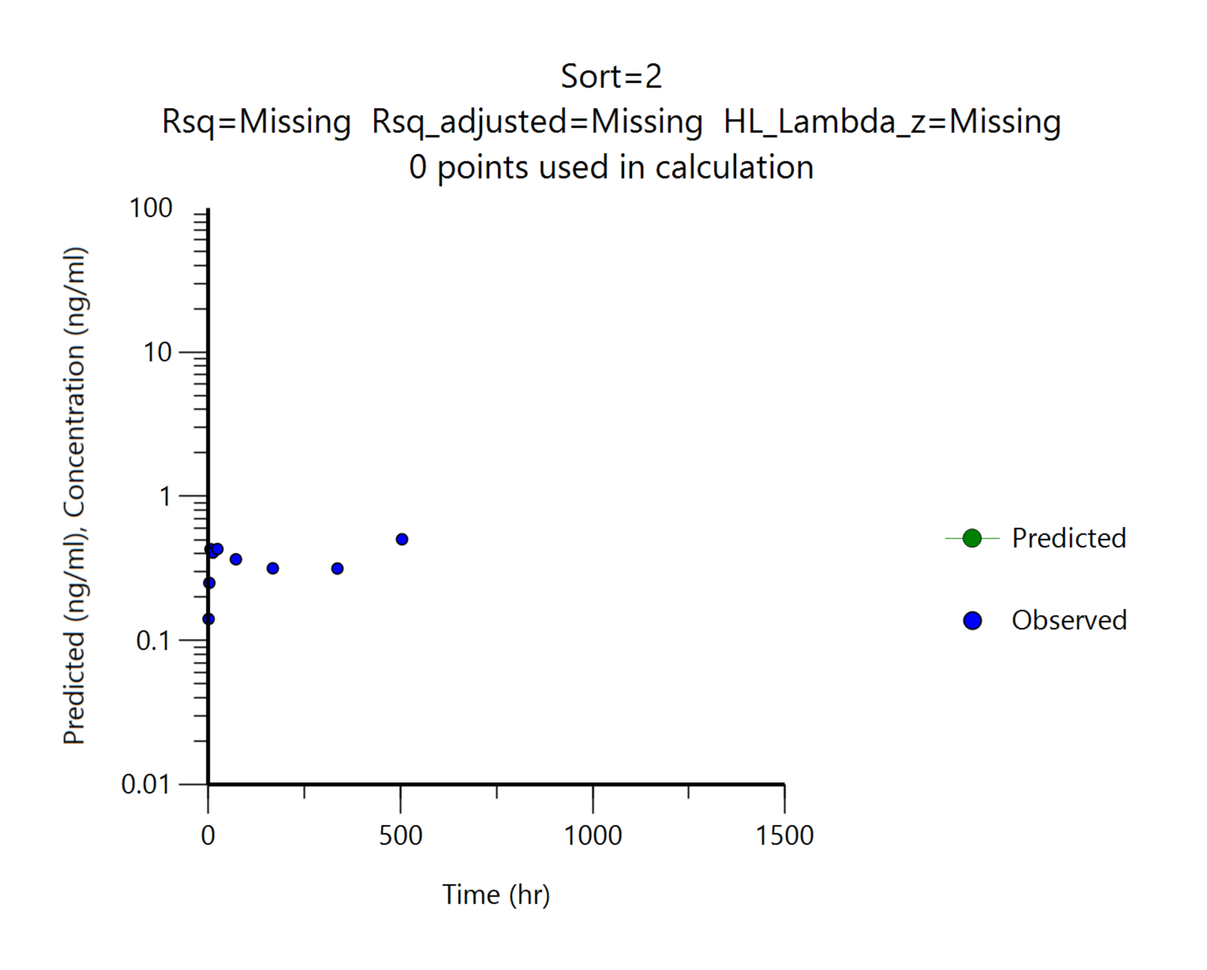
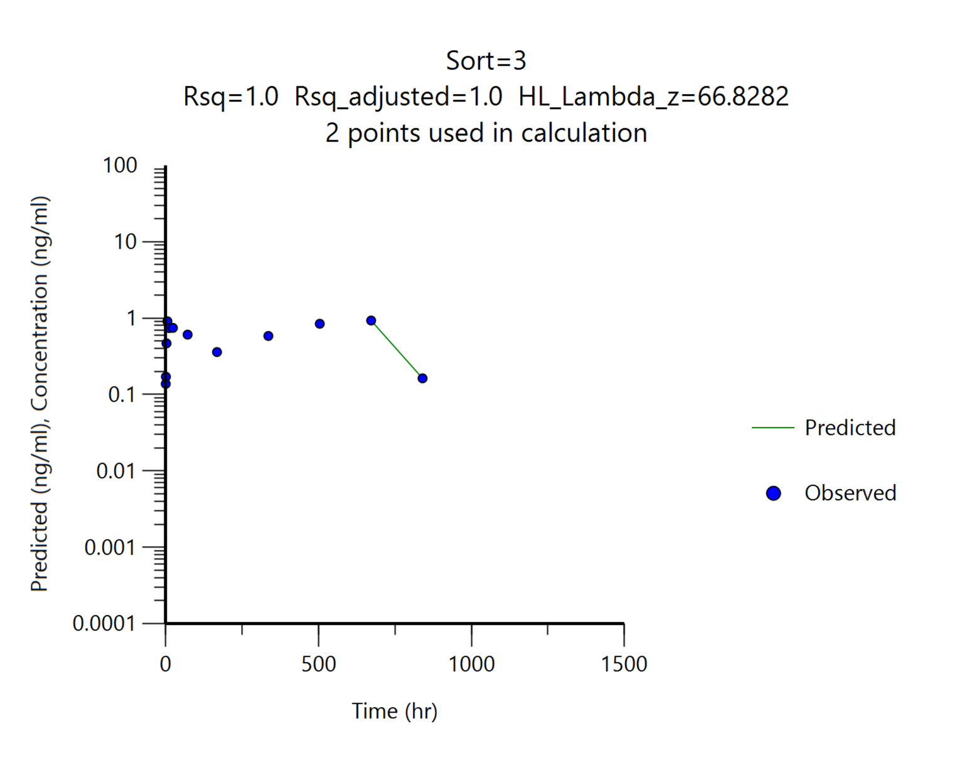
 |  | G3
 |  | DFK-MB101, 3.5 mg/head
Parameters | Unit | #9 | #10 | #11 | Mean | SD
tmax | hr | 504.00 | 504.00 | 672.00 | 560.00 | 96.99
Cmax | ng/mL | 1.85 | 0.50 | 0.93 | 1.10 | 0.69
AUClast | ng*hr/mL | 726.99 | 182.99 | 536.15 | 482.04 | 276.01
AUCinf | ng*hr/mL | N/A | N/A | 551.86 | 551.86 | N/A
t1/2 | hr | N/A | N/A | 66.83 | 66.83 | N/A
Cmax/Dose | (ng/mL)/(mg/kg) | 0.53 | 0.14 | 0.27 | 0.31 | 0.20
AUClast/Dose | (ng*hr/mL)/(mg/kg) | 207.71 | 52.28 | 153.18 | 137.73 | 78.86

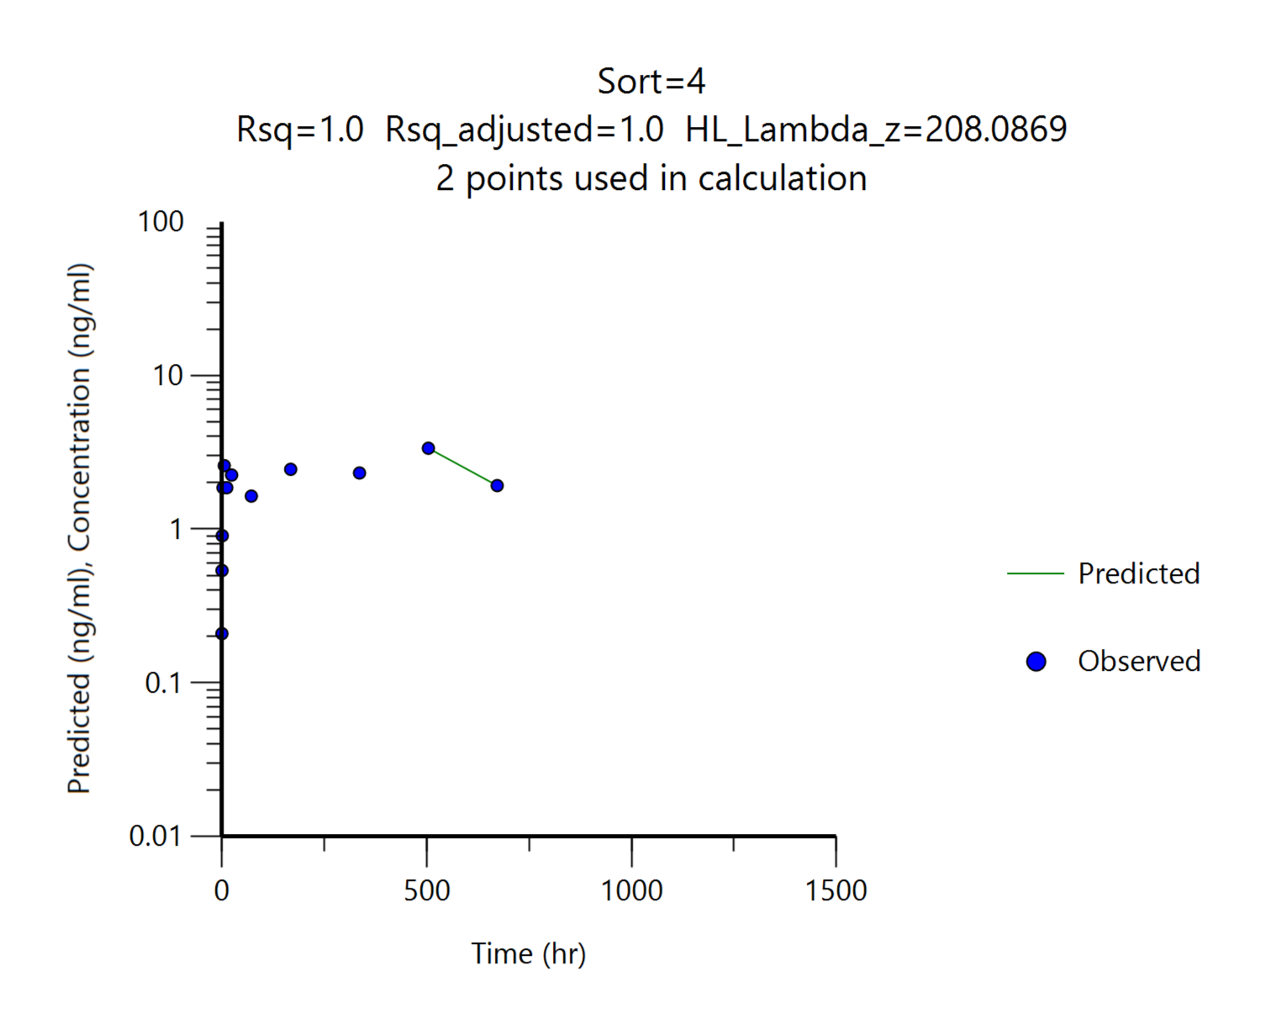
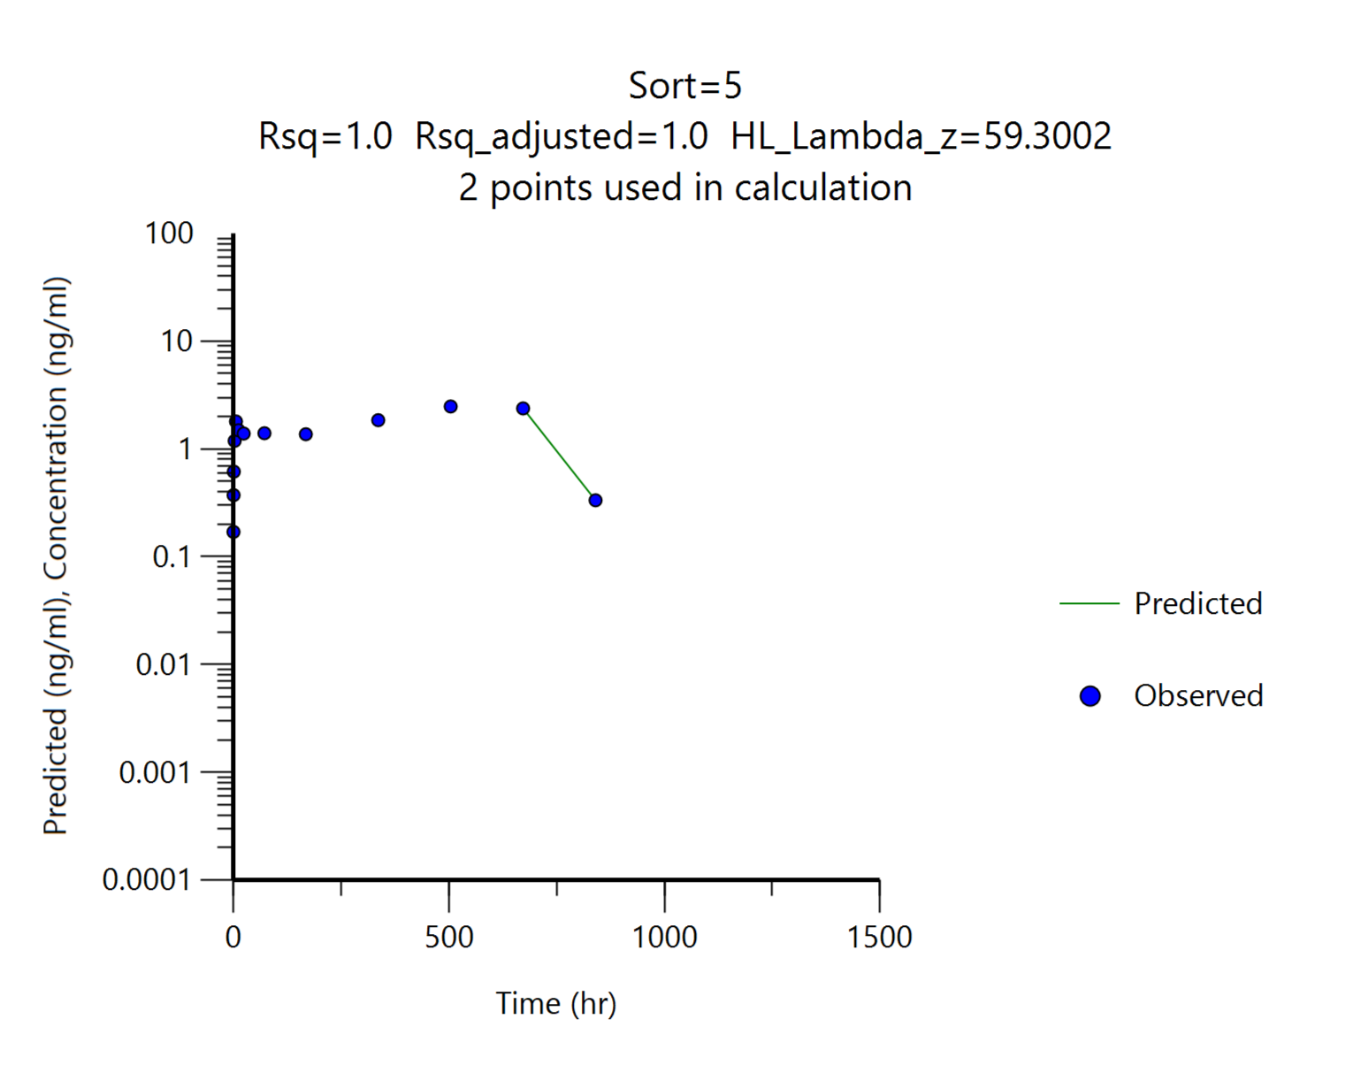
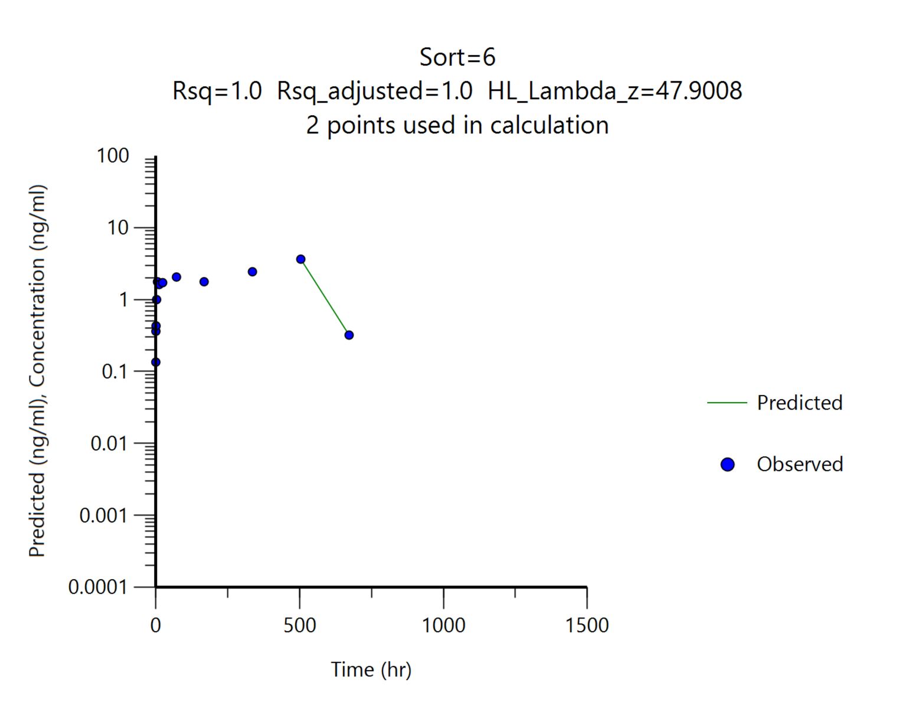
G3~G5 : Cmax 이후 충분한 (3 points 이상) elimination pattern이 나타나지 않아 G6을 참고하여 직접 elimination 구간을 지정하여 산출하였습니다. G6과 비교하여 비슷한 기울기를 나타내는 경우 AUCinf 및 T 1/2값을 채택하였으며, 편차가 심한 데이터는 산출결과가 있으나 N/A처리하였습니다.
G6의 경우, WinNonlin 프로그램을 통해 자동으로 설정된 elimination phase 입니다.
 |  | G4
 |  | DFK-MB101, 7 mg/head
Parameters | Unit | #12 | #13 | #14 | Mean | SD
tmax | hr | 504.00 | 504.00 | 504.00 | 504.00 | 0.00
Cmax | ng/mL | 3.36 | 2.48 | 3.65 | 3.16 | 0.61
AUClast | ng*hr/mL | 1658.93 | 1504.11 | 1509.40 | 1557.48 | 87.90
AUCinf | ng*hr/mL | N/A | 1532.69 | 1531.58 | 1532.13 | 0.78
t1/2 | hr | N/A | 59.30 | 47.90 | 53.60 | 8.06
Cmax/Dose | (ng/mL)/(mg/kg) | 0.48 | 0.35 | 0.52 | 0.45 | 0.09
AUClast/Dose | (ng*hr/mL)/(mg/kg) | 236.99 | 214.87 | 215.63 | 222.50 | 12.56

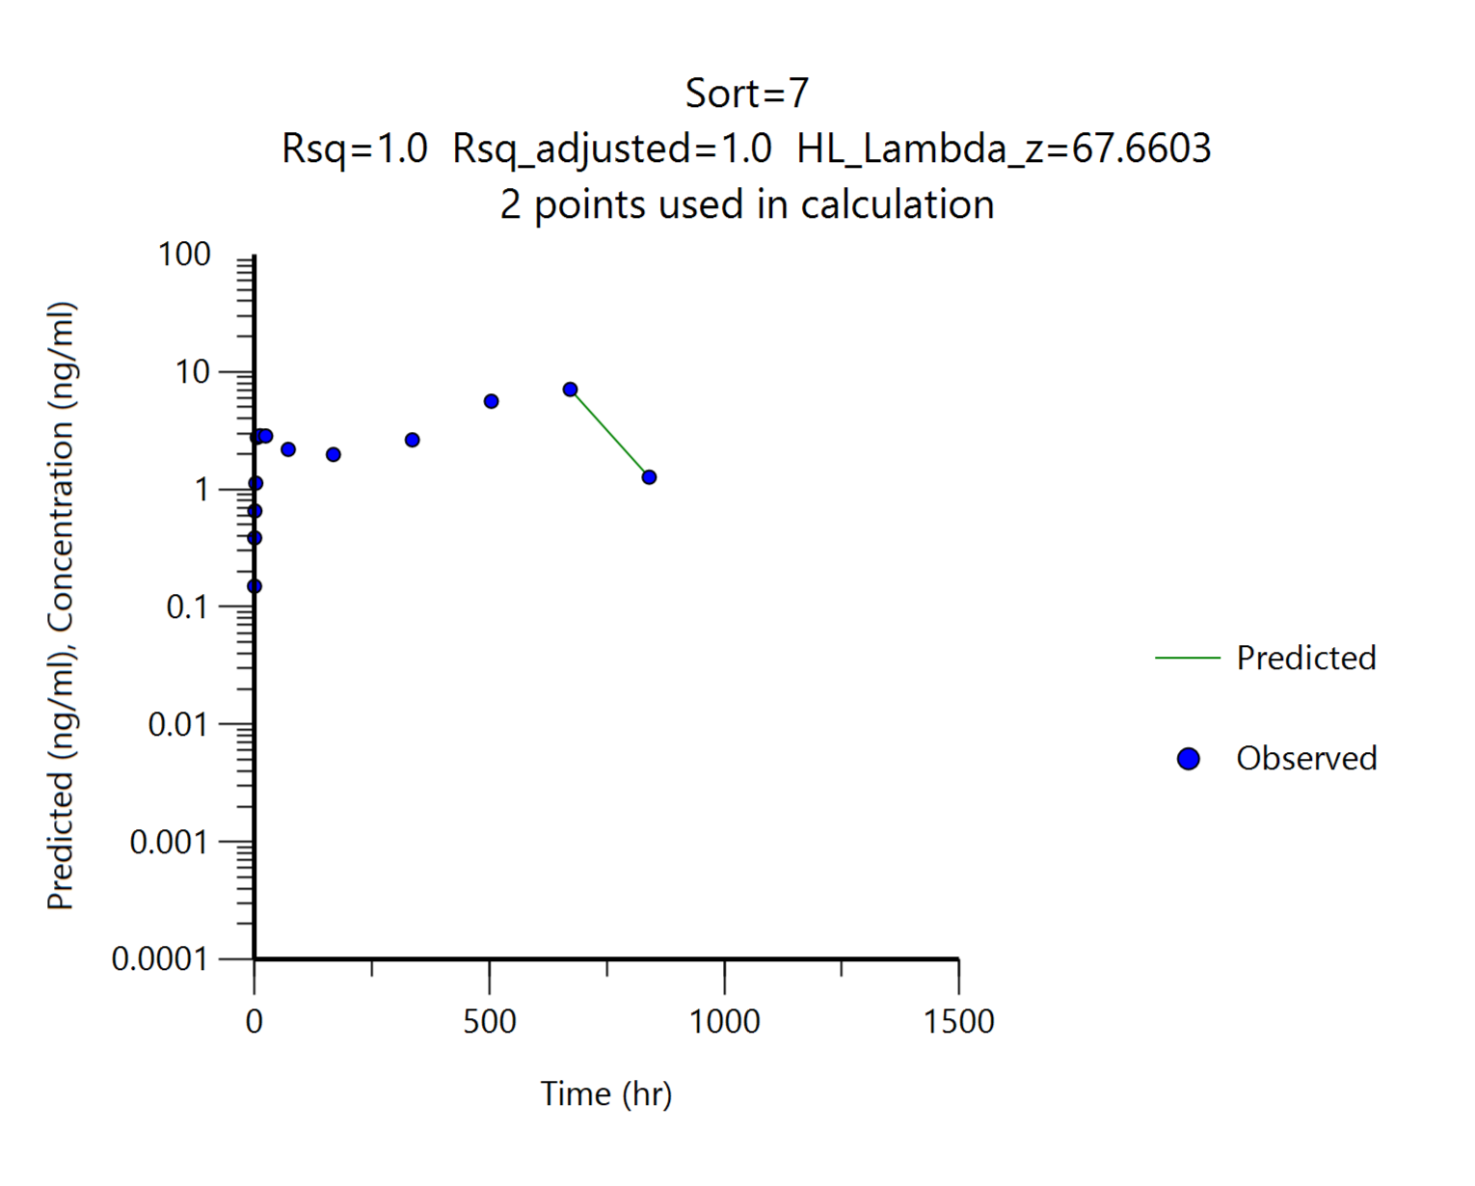
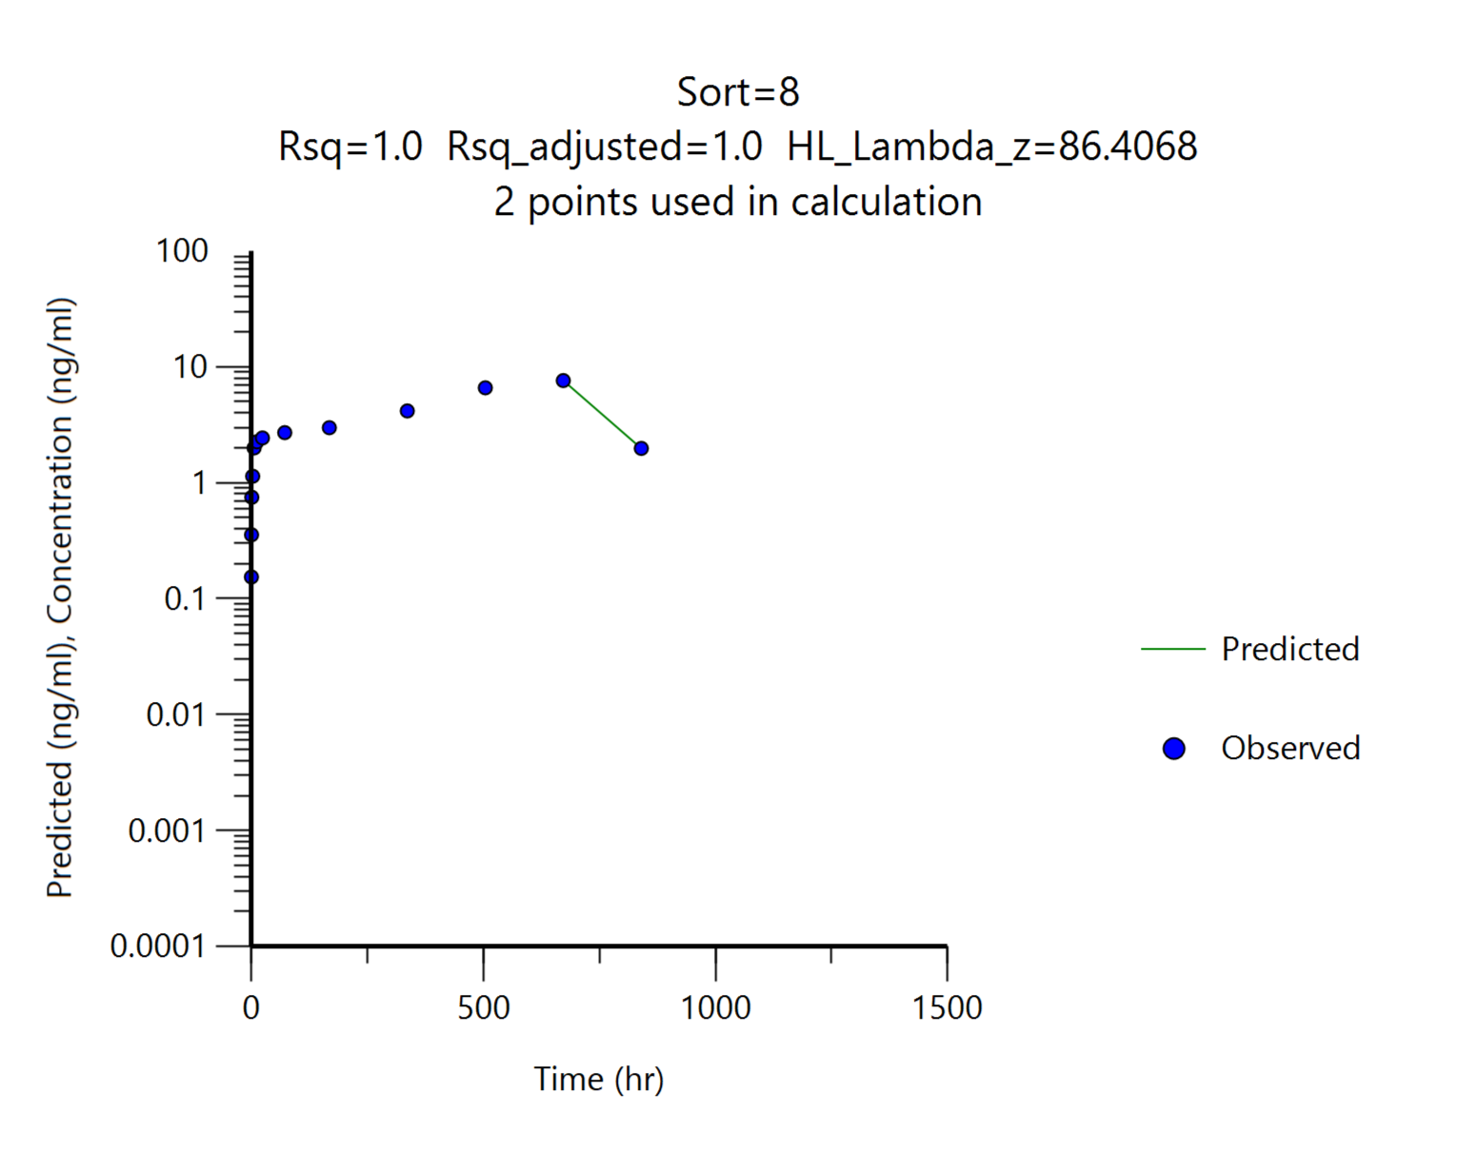
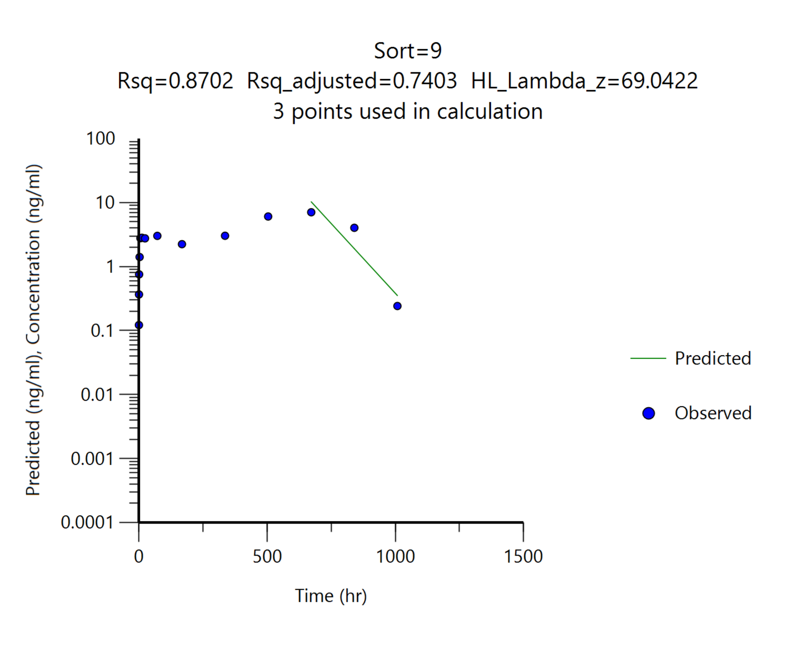
 |  | G5
 |  | DFK-MB101, 14 mg/head
Parameters | Unit | #15 | #16 | #17 | Mean | SD
tmax | hr | 672.00 | 672.00 | 672.00 | 672.00 | 0.00
Cmax | ng/mL | 7.10 | 7.62 | 7.06 | 7.26 | 0.31
AUClast | ng*hr/mL | 3235.41 | 3952.14 | 4050.70 | 3746.08 | 444.99
AUCinf | ng*hr/mL | 3359.38 | 4198.96 | 4074.80 | 3877.72 | 453.16
t1/2 | hr | 67.66 | 86.41 | 69.04 | 74.37 | 10.45
Cmax/Dose | (ng/mL)/(mg/kg) | 0.51 | 0.54 | 0.50 | 0.52 | 0.02
AUClast/Dose | (ng*hr/mL)/(mg/kg) | 231.10 | 282.30 | 289.34 | 267.58 | 31.79

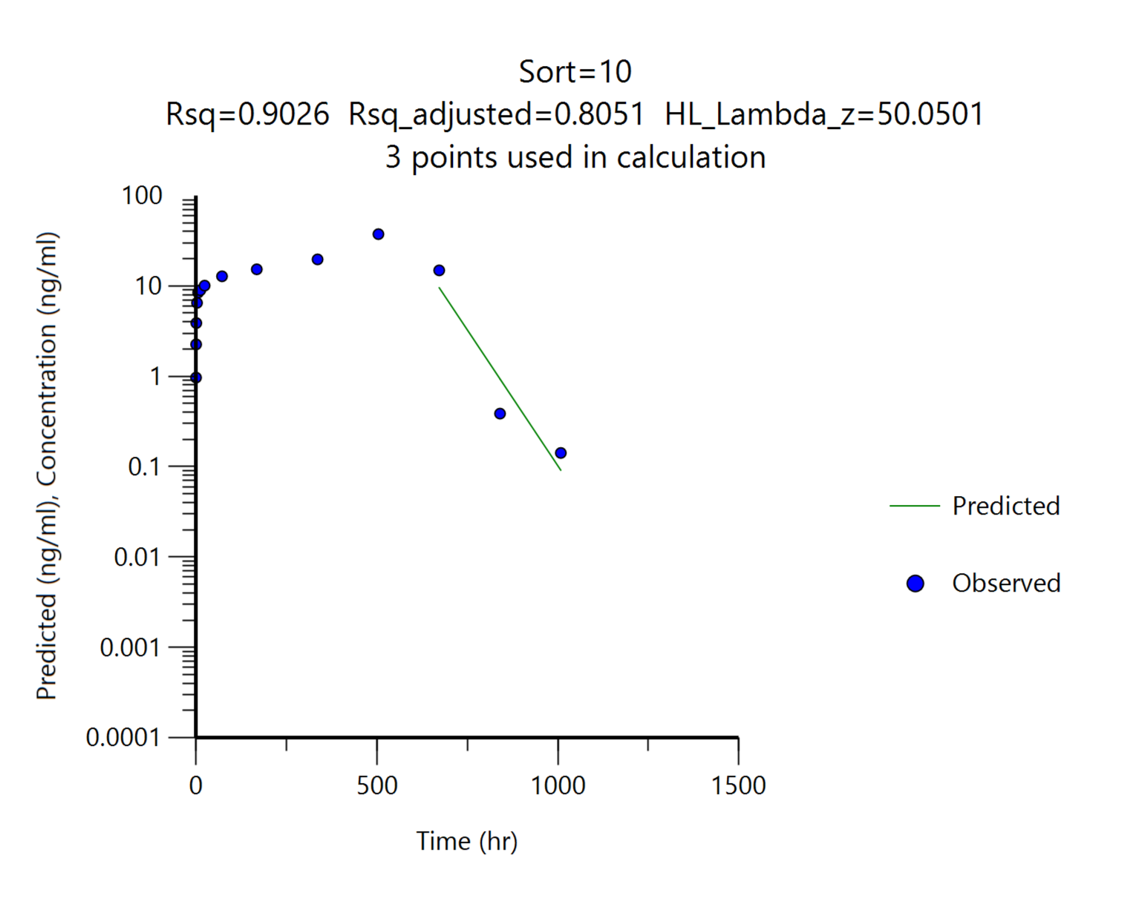
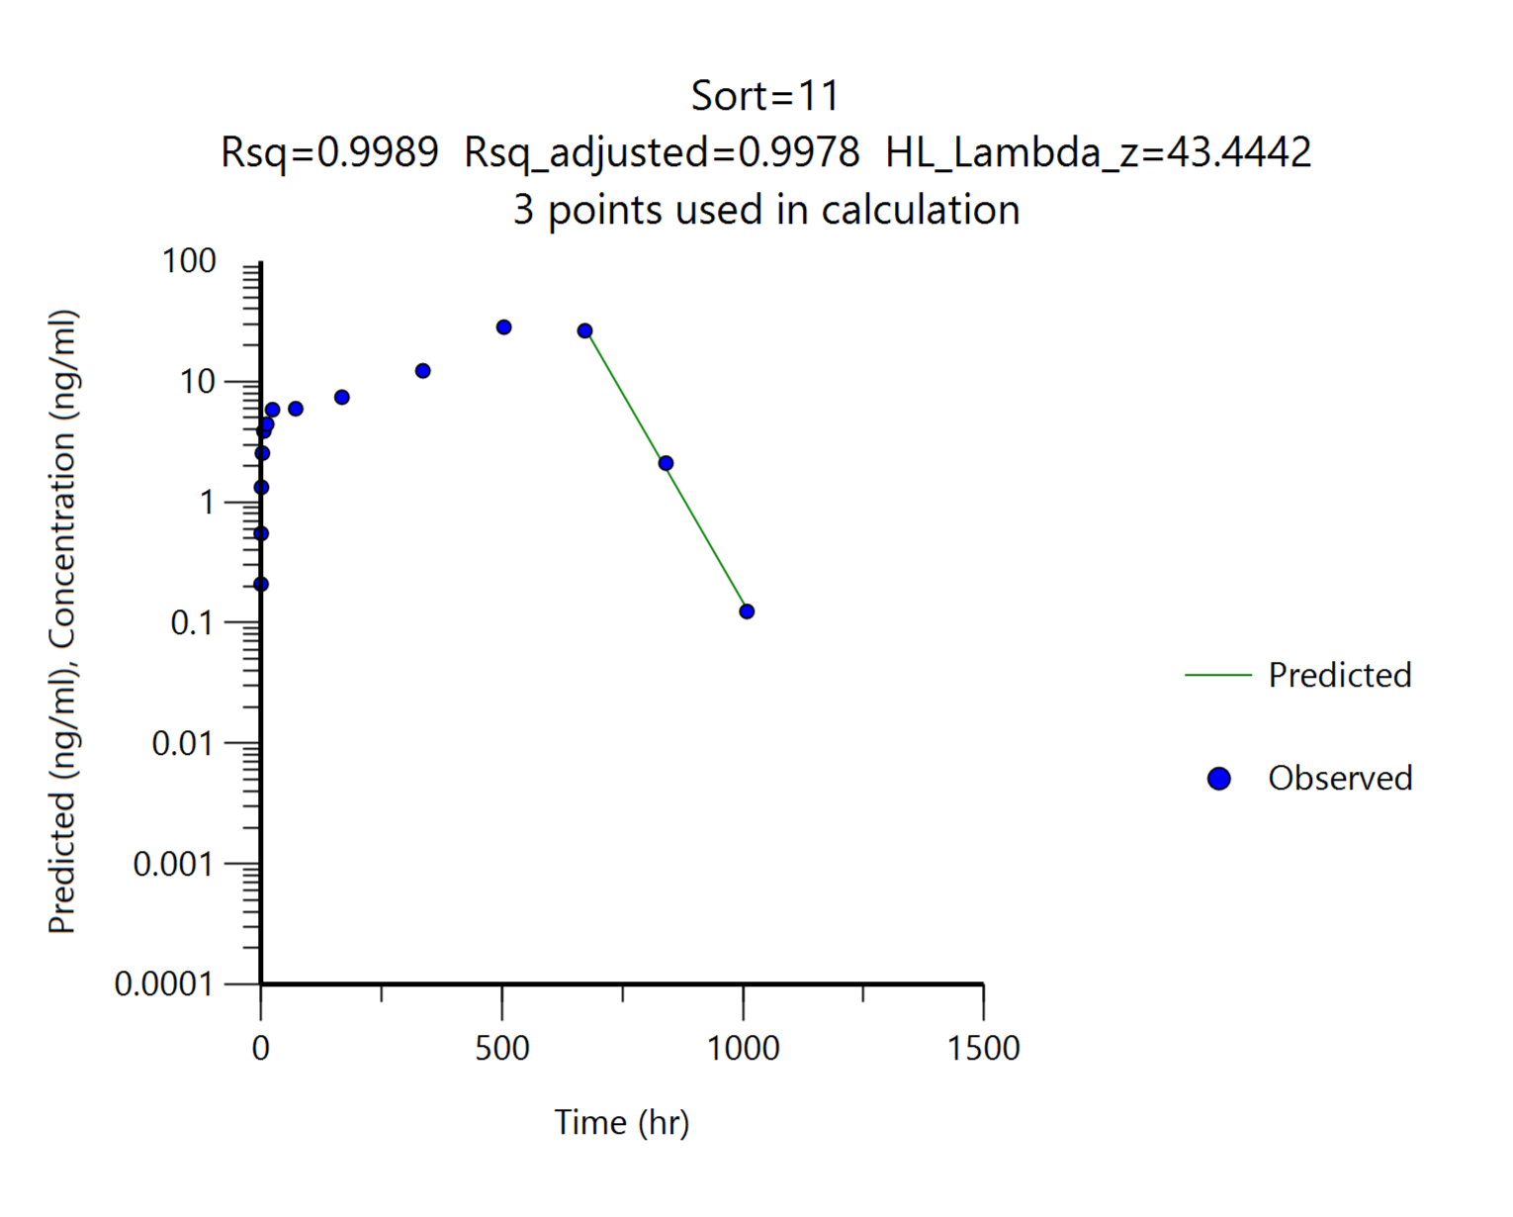
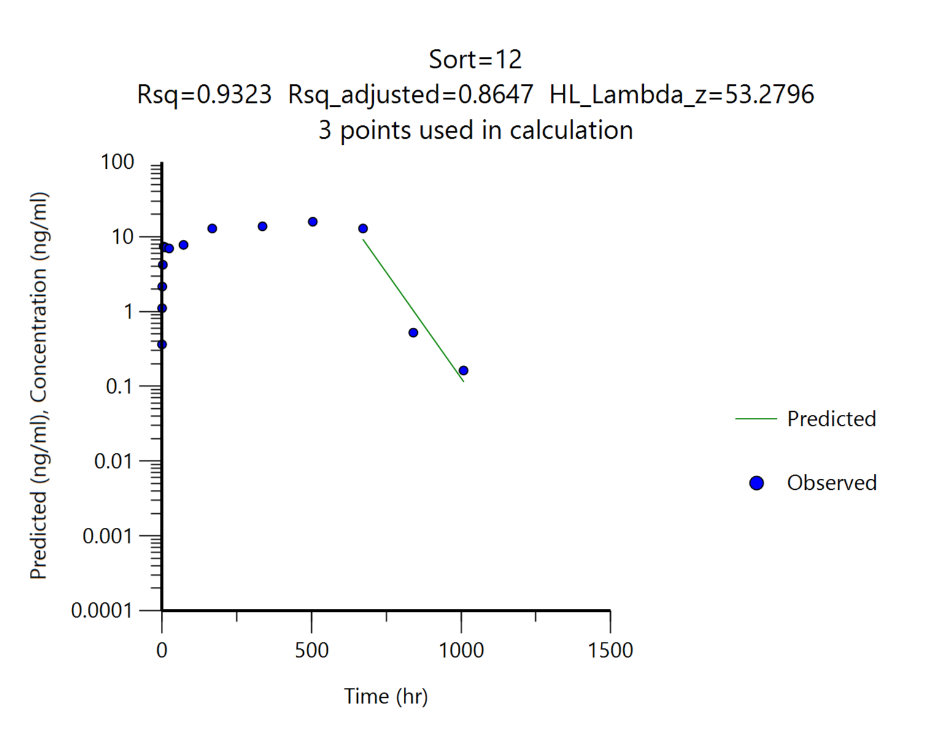
 |  | G6
 |  | DFK-MB101, 28 mg/head
Parameters | Unit | #18 | #19 | #20 | Mean | SD
tmax | hr | 504.00 | 504.00 | 504.00 | 504.00 | 0.00
Cmax | ng/mL | 37.50 | 28.30 | 15.90 | 27.23 | 10.84
AUClast | ng*hr/mL | 15575.06 | 13272.04 | 9843.11 | 12896.74 | 2884.34
AUCinf | ng*hr/mL | 15585.32 | 13279.81 | 9855.64 | 12906.92 | 2882.98
t1/2 | hr | 50.05 | 43.44 | 53.28 | 48.92 | 5.01
Cmax/Dose | (ng/mL)/(mg/kg) | 1.34 | 1.01 | 0.57 | 0.97 | 0.39
AUClast/Dose | (ng*hr/mL)/(mg/kg) | 556.25 | 474.00 | 351.54 | 460.60 | 103.01

2. Result
[확인용] - 최종 결과보고서 작성시 데이터 검토과정에서 일부 데이터 변경 될 수 있습니다. |  |  |  |  |  |  |  | [확인용] - 최종 결과보고서 작성시 데이터 검토과정에서 일부 데이터 변경 될 수 있습니다.
Dose | G1, Advagraf, 1 mg(1 capsule)/head, PO;G2, Advagraf, 3 mg(2 capsule)/head, PO; G3, DKF-MB101, 3.5 mg/head, SC;G4, DKF-MB101, 7 mg/head, SC;G5, DKF-MB101, 14 mg/head, SC;G6, DKF-MB101, 28 mg/head, SC |  |  |  |  |  |  | Dose | G1, Advagraf, 1 mg(1 capsule)/head, PO;G2, Advagraf, 3 mg(2 capsule)/head, PO;G3, DKF-MB101, 3.5 mg/head, SC; G4, DKF-MB101, 7 mg/head, SC;G5, DKF-MB101, 14 mg/head, SC;G6, DKF-MB101, 28 mg/head, SC
Analytes | Tacrolimus |  |  |  |  |  |  | Analytes | Tacrolimus

Abbriviation | BQL | below quantification level |  |  |  |  |  | Abbriviation | BQL | below quantification level
Blood_1차 |  |  |  |  |  |  |  | Blood_2차
Standard samples |  |  |  |  |  |  |  | Standard samples
Conc. (ng/mL) | Tacrolimus |  |  |  |  |  |  | Conc. (ng/mL) | Tacrolimus
 | Area ratio | Area ratio | Area ratio | Area ratio | Area ratio |  |  |  | Area ratio | Area ratio
 | 1 | 2 | 3 | 4 | 5 |  |  |  | 1 | 2
DBLK | 0.00E+00 |  |  |  |  |  |  | DBLK | 0.00E+00
BLK (P) | 0.00E+00 |  |  |  |  |  |  | BLK (P) | 0.00E+00
0.1 | 2.69E-02 |  |  |  |  |  |  | 0.1 | 2.89E-02
0.2 | 5.05E-02 |  |  |  |  |  |  | 0.2 | 5.21E-02
0.5 | 1.20E-01 |  |  |  |  |  |  | 0.5 | 1.37E-01
1 | 2.48E-01 |  |  |  |  |  |  | 1 | 2.80E-01
2 | 4.65E-01 |  |  |  |  |  |  | 2 | 5.44E-01
5 | 1.20E+00 |  |  |  |  |  |  | 5 | 1.40E+00
10 | 2.51E+00 |  |  |  |  |  |  | 10 | 2.74E+00
20 | 4.94E+00 |  |  |  |  |  |  | 20 | 5.82E+00
50 | 1.26E+01 |  |  |  |  |  |  | 50 | 1.40E+01
 |  |  |  |  |  | CV (%) |  |  |  |  | CV (%)
LLOQ_0.1 | 2.69E-02 | 2.95E-02 | 2.51E-02 | 2.59E-02 | 2.60E-02 | 6.37 |  | LLOQ_0.1 | 2.89E-02 | 2.89E-02 | 0.00
LQC_0.3 | 7.70E-02 | 7.78E-02 | 7.70E-02 | 7.65E-02 | 7.24E-02 | 2.81 |  | LQC_0.3 | 9.89E-02 | 9.23E-02 | 4.88
MQC_3 | 7.07E-01 | 7.25E-01 | 6.78E-01 | 7.04E-01 | 6.41E-01 | 4.72 |  | MQC_3 | 8.32E-01 | 8.13E-01 | 1.63
HQC_40 | 1.02E+01 | 1.01E+01 | 1.01E+01 | 1.04E+01 | 9.16E+00 | 4.81 |  | HQC_40 | 1.12E+01 | 1.06E+01 | 3.89

Calibration |  |  |  |  |  |  |  | Calibration
Article | Range (ng/mL) | Regression | Weighting | a | b | r |  | Article | Range (ng/mL) | Regression | Weighting | a | b | r
Tacrolimus | 0.1-50 | Linear | 1/x2 | 0.2430 | 0.0023 | 0.9995 |  | Tacrolimus | 0.1-50 | Linear | 1/x2 | 0.2770 | 0.0002 | 0.9993

Samples (final concentration) |  |  |  |  |  |  |  | Samples (final concentration)
G1 | Advagraf, 1 mg(1 capsule)/head, PO |  |  |  | 대조약: 0, 2, 4, 6 day별 최고혈중농도 평균치 |  |  | G3 | DKF-MB101, 3.5 mg/head, SC |  |  | 시험약: 각 개체별 최고혈중농도
 | Time (hr) | Blood concentration (ng/mL) |  |  |  |  |  |  | Time (hr) | Blood concentration (ng/mL)
 |  | #1 | #2 | #3 | #4 | Mean | SD |  |  | #9 | #10 | #11 | Mean | SD
0 Day | 0 | 0.00 | 0.00 | 0.00 | 0.00 | 0.00 | 0.00 | 0 | 0 | 0.00 | 0.00 | 0.00 | 0.00 | 0.00
 | 0.5 | 0.61 | 0.46 | 1.42 | 0.20 | 0.67 | 0.53 | 0.010416666667 | 0.25 | 0.19 | 0.03 (BQL) | 0.07 (BQL) | 0.19 | 0.00
 | 1 | 2.03 | 0.35 | 1.56 | 1.83 | 1.44 | 0.75 | 0.020833333333 | 0.5 | 0.48 | 0.07 (BQL) | 0.14 | 0.31 | 0.24
 | 1.5 | 3.62 | 0.43 | 1.65 | 2.92 | 2.15 | 1.41 | 0.041666666667 | 1 | 0.52 | 0.14 | 0.17 | 0.28 | 0.21
 | 2 | 3.15 | 0.77 | 1.52 | 2.51 | 1.99 | 1.05 | 0.125 | 3 | 0.84 | 0.25 | 0.47 | 0.52 | 0.30
 | 3 | 1.41 | 0.70 | 0.93 | 1.63 | 1.17 | 0.43 | 0.25 | 6 | 1.12 | 0.43 | 0.91 | 0.82 | 0.35
 | 6 | 0.83 | 0.66 | 0.69 | 0.83 | 0.75 | 0.09 | 0.5 | 12 | 1.13 | 0.41 | 0.74 | 0.76 | 0.36
 | 8 | 0.66 | 0.30 | 0.62 | 0.71 | 0.57 | 0.18 | 1 | 24 | 0.99 | 0.43 | 0.75 | 0.72 | 0.28
 | 12 | 0.48 | 0.19 | 0.47 | 0.55 | 0.42 | 0.16 | 3 | 72 | 0.77 | 0.37 | 0.61 | 0.58 | 0.20
2차 시료 분석 결과
 | 24 | 0.24 | 0.11 | 0.19 | 0.30 | 0.21 | 0.08 | 7 | 168 | 0.50 | 0.32 | 0.36 | 0.39 | 0.09
2 Day | 48 | 0.25 | 0.09 (BQL) | 0.24 | 0.34 | 0.28 | 0.06 | 14 | 336 | 0.95 | 0.32 | 0.59 | 0.62 | 0.32
 | 48.5 | 0.52 | 2.42 | 0.90 | 1.25 | 1.27 | 0.82 | 21 | 504 | 1.85 | 0.50 | 0.84 | 1.07 | 0.70
 | 49 | 0.80 | 4.56 | 1.38 | 2.95 | 2.42 | 1.69 | 28 | 672 | 1.05 | 0.03 (BQL) | 0.93 | 0.99 | 0.08
 | 49.5 | 0.44 | 2.37 | 1.58 | 3.39 | 1.94 | 1.25 | 35 | 840 | 0.03 (BQL) | 0.00 | 0.16 | 0.08 | 0.12
 | 50 | 0.38 | 1.67 | 1.30 | 2.61 | 1.49 | 0.92 | 42 | 1008 | 0.00 | 0.00 | 0.01 (BQL) | 0.00 | 0.00
 | 51 | 0.34 | 1.01 | 1.07 | 1.75 | 1.04 | 0.58 |  |  |  |  |  |  | BQL, <0.1 ng/mL
 | 54 | 0.33 | 0.81 | 1.32 | 1.06 | 0.88 | 0.42
 | 56 | 0.25 | 0.57 | 0.92 | 0.78 | 0.63 | 0.29 | G4 | DKF-MB101, 7 mg/head, SC
 | 60 | 0.22 | 0.37 | 0.59 | 0.59 | 0.44 | 0.18 |  | Time (hr) | Blood concentration (ng/mL)
 | 72 | 0.13 | 0.24 | 0.29 | 0.38 | 0.26 | 0.10 |  |  | #12 | #13 | #14 | Mean | SD
4 Day | 96 | 0.28 | 0.24 | 0.38 | 0.28 | 0.30 | 0.06 | 0 | 0 | 0.00 | 0.00 | 0.00 | 0.00 | 0.00
 | 96.5 | 1.96 | 2.54 | 1.02 | 0.65 | 1.54 | 0.86 | 0.010416666667 | 0.25 | 0.21 | 0.17 | 0.14 | 0.17 | 0.04
 | 97 | 5.34 | 1.40 | 1.64 | 1.29 | 2.42 | 1.95 | 0.020833333333 | 0.5 | 0.54 | 0.37 | 0.36 | 0.42 | 0.10
 | 97.5 | 6.00 | 1.18 | 1.88 | 0.72 | 2.45 | 2.42 | 0.041666666667 | 1 | 0.91 | 0.62 | 0.43 | 0.65 | 0.24
 | 98 | 4.70 | 0.86 | 1.69 | 0.59 | 1.96 | 1.89 | 0.125 | 3 | 1.86 | 1.19 | 1.00 | 1.35 | 0.45
 | 99 | 2.27 | 0.75 | 1.18 | 0.62 | 1.20 | 0.75 | 0.25 | 6 | 2.59 | 1.80 | 1.77 | 2.05 | 0.47
 | 102 | 1.66 | 0.65 | 0.96 | 0.70 | 0.99 | 0.46 | 0.5 | 12 | 1.86 | 1.49 | 1.62 | 1.66 | 0.19
 | 104 | 1.26 | 0.47 | 0.64 | 0.58 | 0.74 | 0.35 | 1 | 24 | 2.25 | 1.39 | 1.72 | 1.79 | 0.43
 | 108 | 0.88 | 0.32 | 0.46 | 0.59 | 0.56 | 0.24 | 3 | 72 | 1.64 | 1.40 | 2.06 | 1.70 | 0.33
 | 120 | 0.55 | 0.23 | 0.33 | 0.24 | 0.34 | 0.15 | 7 | 168 | 2.45 | 1.37 | 1.77 | 1.86 | 0.55
6 Day | 144 | 0.49 | 0.28 | 0.29 | 0.29 | 0.34 | 0.10 | 14 | 336 | 2.32 | 1.85 | 2.44 | 2.20 | 0.00
 | 144.5 | 1.05 | 1.64 | 1.41 | 0.93 | 1.26 | 0.33 | 21 | 504 | 3.36 | 2.48 | 3.65 | 3.16 | 0.61
 | 145 | 2.83 | 1.93 | 1.57 | 1.94 | 2.07 | 0.54 | 28 | 672 | 1.92 | 2.38 | 0.32 | 1.54 | 1.08
 | 145.5 | 4.16 | 1.25 | 1.71 | 2.38 | 2.38 | 1.28 | 35 | 840 | 0.09 (BQL) | 0.33 | 0.03 (BQL) | 0.33 | 0.00
 | 146 | 3.58 | 1.72 | 1.39 | 2.31 | 2.25 | 0.96 | 42 | 1008 | 0.00 | 0.02 (BQL) | 0.01 (BQL) | 0.00 | 0.00
 | 147 | 3.24 | 1.43 | 0.83 | 1.59 | 1.77 | 1.03 |  |  |  |  |  |  | BQL, <0.1 ng/mL
 | 150 | 3.24 | 1.14 | 0.90 | 1.65 | 1.73 | 1.05
 | 152 | 1.75 | 0.87 | 1.19 | 0.82 | 1.16 | 0.43 | G5 | DKF-MB101, 14 mg/head, SC
 | 156 | 1.10 | 0.58 | 0.73 | 0.68 | 0.77 | 0.23 |  | Time (hr) | Blood concentration (ng/mL)
 | 168 | 0.76 | 0.37 | 0.36 | 0.41 | 0.47 | 0.19 |  |  | #15 | #16 | #17 | Mean | SD
 |  |  |  |  |  |  | BQL, <0.1 ng/mL | 0 | 0 | 0.00 | 0.00 | 0.00 | 0.00 | 0.00
 |  |  |  |  |  |  |  | 0.010416666667 | 0.25 | 0.15 | 0.15 | 0.12 | 0.14 | 0.02
G2 | Advagraf, 3 mg(2 capsule)/head, PO |  |  |  |  |  |  | 0.020833333333 | 0.5 | 0.39 | 0.36 | 0.37 | 0.37 | 0.02
 | Time (hr) | Blood concentration (ng/mL) |  |  |  |  |  | 0.041666666667 | 1 | 0.66 | 0.75 | 0.76 | 0.72 | 0.06
 |  | #5 | #6 | #7 | #8 | Mean | SD | 0.125 | 3 | 1.13 | 1.14 | 1.41 | 1.23 | 0.16
0 | 0 | 0.00 | 0.00 | 0.00 | 0.00 | 0.00 | 0.00 | 0.25 | 6 | 2.77 | 2.00 | 2.78 | 2.52 | 0.45
0.020833333333 | 0.5 | 12.60 | 1.60 | 16.40 | 6.58 | 9.30 | 6.53 | 0.5 | 12 | 2.86 | 2.26 | 2.82 | 2.65 | 0.34
0.041666666667 | 1 | 12.40 | 5.58 | 13.10 | 11.30 | 10.59 | 3.42 | 1 | 24 | 2.85 | 2.44 | 2.76 | 2.68 | 0.22
0.0625 | 1.5 | 6.67 | 17.60 | 6.51 | 9.60 | 10.10 | 5.20 | 3 | 72 | 2.19 | 2.71 | 3.02 | 2.64 | 0.42
0.083333333333 | 2 | 6.11 | 16.10 | 4.03 | 9.05 | 8.82 | 5.27 | 7 | 168 | 1.98 | 2.99 | 2.24 | 2.40 | 0.52
0.125 | 3 | 6.73 | 7.44 | 2.77 | 9.02 | 6.49 | 2.66 | 14 | 336 | 2.64 | 4.17 | 3.03 | 3.28 | 0.00
0.25 | 6 | 4.12 | 4.53 | 1.99 | 5.11 | 3.94 | 1.36 | 21 | 504 | 5.63 | 6.60 | 6.06 | 6.10 | 0.49
0.33333333333 | 8 | 2.68 | 3.01 | 1.67 | 2.78 | 2.53 | 0.59 | 28 | 672 | 7.10 | 7.62 | 7.06 | 7.26 | 0.31
0.5 | 12 | 1.85 | 2.28 | 1.23 | 2.15 | 1.88 | 0.47 | 35 | 840 | 1.27 | 1.98 | 4.04 | 2.43 | 1.44
1 | 24 | 0.88 | 1.10 | 0.47 | 1.01 | 0.87 | 0.28 | 42 | 1008 | 0.02 (BQL) | 0.09 (BQL) | 0.24 | 0.24 | 0.00
2 | 48 | 1.10 | 1.48 | 0.70 | 1.14 | 1.11 | 0.32 |  |  |  |  |  |  | BQL, <0.1 ng/mL
2.0208333333 | 48.5 | 2.72 | 16.00 | 18.00 | 11.20 | 11.98 | 6.80
2.0416666667 | 49 | 16.60 | 13.10 | 10.80 | 9.02 | 12.38 | 3.27 | G6 | DKF-MB101, 28 mg/head, SC
2.0625 | 49.5 | 17.00 | 13.40 | 6.50 | 6.50 | 10.85 | 5.23 |  | Time (hr) | Blood concentration (ng/mL)
2.0833333333 | 50 | 18.70 | 13.90 | 4.71 | 4.82 | 10.53 | 6.94 |  |  | #18 | #19 | #20 | Mean | SD
2.125 | 51 | 7.89 | 7.60 | 3.30 | 3.29 | 5.52 | 2.57 | 0 | 0 | 0.00 | 0.00 | 0.00 | 0.00 | 0.00
2.25 | 54 | 6.50 | 4.98 | 2.62 | 2.56 | 4.17 | 1.92 | 0.010416666667 | 0.25 | 0.97 | 0.21 | 0.36 | 0.51 | 0.40
2.3333333333 | 56 | 4.33 | 3.42 | 1.83 | 2.08 | 2.92 | 1.17 | 0.020833333333 | 0.5 | 2.26 | 0.55 | 1.11 | 1.31 | 0.87
2.5 | 60 | 3.17 | 2.66 | 1.35 | 1.70 | 2.22 | 0.84 | 0.041666666667 | 1 | 3.89 | 1.33 | 2.16 | 2.46 | 1.31
3 | 72 | 1.76 | 1.63 | 0.67 | 0.95 | 1.25 | 0.53 | 0.125 | 3 | 6.51 | 2.55 | 4.22 | 4.43 | 1.99
4 | 96 | 1.92 | 1.52 | 1.29 | 1.10 | 1.46 | 0.35 | 0.25 | 6 | 8.46 | 3.89 | 7.40 | 6.58 | 2.39
4.0208333333 | 96.5 | 4.22 | 11.00 | 15.10 | 4.89 | 8.80 | 5.19 | 0.5 | 12 | 8.98 | 4.44 | 7.18 | 6.87 | 2.29
4.0416666667 | 97 | 15.10 | 12.60 | 6.76 | 9.36 | 10.96 | 3.65 | 1 | 24 | 10.10 | 5.85 | 6.98 | 7.64 | 2.20
4.0625 | 97.5 | 21.60 | 8.51 | 6.23 | 10.30 | 11.66 | 6.83 | 3 | 72 | 12.80 | 5.96 | 7.79 | 8.85 | 3.54
4.0833333333 | 98 | 24.10 | 6.74 | 5.41 | 11.60 | 11.96 | 8.52 | 7 | 168 | 15.30 | 7.43 | 12.90 | 11.88 | 4.03
4.125 | 99 | 12.50 | 4.17 | 4.56 | 7.07 | 7.08 | 3.84 | 14 | 336 | 19.70 | 12.30 | 13.80 | 15.27 | 3.91
4.25 | 102 | 6.36 | 4.42 | 4.27 | 3.75 | 4.70 | 1.14 | 21 | 504 | 37.50 | 28.30 | 15.90 | 27.23 | 10.84
4.3333333333 | 104 | 4.72 | 2.77 | 2.66 | 2.58 | 3.18 | 1.03 | 28 | 672 | 14.90 | 26.40 | 12.90 | 18.07 | 7.29
4.5 | 108 | 3.49 | 2.24 | 2.37 | 2.21 | 2.58 | 0.61 | 35 | 840 | 0.39 | 2.11 | 0.52 | 1.01 | 0.96
5 | 120 | 2.24 | 1.39 | 1.10 | 1.31 | 1.51 | 0.50 | 42 | 1008 | 0.14 | 0.12 | 0.16 | 0.14 | 0.02
6 | 144 | 2.33 | 1.81 | 0.93 | 1.28 | 1.59 | 0.61 |  |  |  |  |  |  | BQL, <0.1 ng/mL
6.0208333333 | 144.5 | 9.04 | 16.30 | 27.70 | 14.80 | 16.96 | 7.81
6.0416666667 | 145 | 22.50 | 15.60 | 19.50 | 8.93 | 16.63 | 5.86
6.0625 | 145.5 | 16.70 | 10.00 | 9.43 | 6.56 | 10.67 | 4.29
6.0833333333 | 146 | 11.20 | 6.53 | 5.80 | 5.32 | 7.21 | 2.70
6.125 | 147 | 10.10 | 4.62 | 4.32 | 4.20 | 5.81 | 2.87
6.25 | 150 | 10.30 | 3.97 | 3.20 | 3.06 | 5.13 | 3.47
6.3333333333 | 152 | 7.45 | 2.74 | 2.35 | 2.25 | 3.70 | 2.51
6.5 | 156 | 7.02 | 2.12 | 1.92 | 1.76 | 3.21 | 2.55
7 | 168 | 3.28 | 1.41 | 1.08 | 1.09 | 1.71 | 1.05
 |  |  |  |  |  |  | BQL, <0.1 ng/mL
Tacrolimus in Blood
Tacrolimus in Blood

 |  |  |  |  |  |  |  |  |  |  |  |  |  |  | ®

G1-1
G1-2
G3-9
G3-10
G3-11

0 day 5시간째 설사 확인
6 day 5시간째 설사 확인
4 day 8시간째 연변 확인

G1-3
G1-4
G4-12
G4-13
G4-14

G2-5
G2-6
G5-15
G5-16
G5-17

4 day 8시간째 연변 확인

G2-7
G2-8
G6-18
G6-19
G6-20

3. LCMS
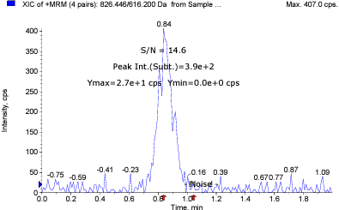
LC-MS/MS condition
LC 조건
HPLC System |  | SHIMADZU Nexera 40 series
Column |  | Agilent ZORBAX Eclipse XDB-C18, 3.5 µm, 50 X 2.1mm
Column temp. |  | 40 ℃
Mobile phase |  | A: |  | 2 mM Ammonium acetate and 0.1% formic acid in water
 |  | B: |  | Methanol
Isocratic |  | Time (min) |  | B (%) |  | Flow rate (µL/min)
 |  | 0.0 |  | 90 |  | 300
 |  | 2.0 |  | 90 |  | 300
Injection volume (µL) |  | 2.5 µL
Autosampler temp. |  | 10 ℃

MS 조건
Detection |  | SCIEX Triple Quad™ 4500 System
Curtain gas |  | 35
Ion source gas 1 |  | 50
Ion source gas 2 |  | 50
Ionspray voltage |  | 5500
Temperature |  | 500
MRM mode |  | Positive

표준품 정보
 |  | Formula |  |  | MW | Exact mass
Tacrolimus |  | C44H69NO12 |  |  | 804.031 | 803.4820
Everolimus |  | C53H83NO14 |  |  | 958.224 | 957.5814

MRM 조건
 |  | m/z |  |  | DP (V) | CE (eV) | CXP (eV) | RT (min)
Analyte | Tacrolimus | 826.446 | → | 616.200 | 6.000 | 49.000 | 14.000 | 0.847
IS | Everolimus | 980.559 | → | 389.200 | 1.000 | 77.000 | 12.000 | 0.872

전처리 방법
Stock |  | Analyte: |  |  | 2.6 |  |  | mg
 |  | DMSO |  |  | 0.26 |  |  | mL
 |  | 10 mg/mL in DMSO
Working solution |  | Serial dilution with 50% MeOH
 |  | 0.001, 0.002, 0.005, 0.01, 0.02, 0.05, 0.1, 0.2, 0.5 µg/mL
IS Solution |  | Everolimus 1.4 mg / DMSO 0.14 mL
 |  | 10 mg/mL in DMSO
 |  | Everolimus 300 ng/mL in 50% MeOH
Liquid-Liquid extraction |  | Whole Blood 100 µL (Blank or Sample) + Working solution (or 50% MeOH) 10 µL + IS solution 10 µL → vortex, 1 min → + water 180 µL → vortex, 1 min → *Extraction solution 500 µL → vortex, 5 min → centrifuge, 5 min, 4 ℃, 17,600x g → supernatant 400 µL → evaporation, 15 min, 50 ℃, 2500 rpm →70% ACN 100 µL reconstitution
 |  |  |  |  |  |  |  | *Extraction solution: Ethyl acetate : n-Hexane : tBME = 2 : 2 : 1
S/N ratio (LLOQ) : 14.6

